R(d)
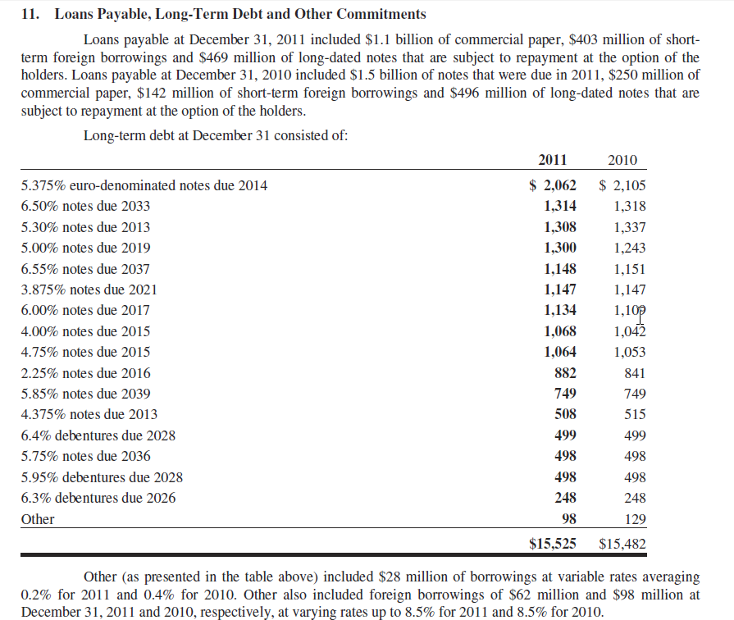
MERCK, COST OF DEBT rD
 | 2009 | 2010 | 2011
Cash | 9,311,000 | 10,900,000 | 13,531,000
Short-term investments | 293,000 | 1,301,000 | 1,441,000
Total liquid assets | 9,604,000 | 12,201,000 | 14,972,000

Short-term debt and current portion of long-term debt | 1,379,000 | 2,400,000 | 1,990,000
Long-term debt | 16,095,000 | 15,482,000 | 15,525,000
Total financial debt | 17,474,000 | 17,882,000 | 17,515,000

Net debt | 7,870,000 | 5,681,000 | 2,543,000
Interest income | 210,000 | 83,000 | 199,000
Interest expense | 460,000 | 715,000 | 749,000
Net interest | 250,000 | 632,000 | 550,000
Implied cost of debt, rD |  | 9.33% | 13.38%

Interest rate earned |  | 0.76% | 1.46%
Interest rate paid |  | 4.04% | 4.23%

B
COMPUTING THE BETA FOR MERCK monthly returns for Merck and SP500, 2007-2012
Alpha | 0.0018
Beta | 0.6435
R-squared | 0.2245

Merck return vs SP500, 2007-2012

 | Prices |  | Returns
Date | Merck | SP500 | Merck | SP500
2007-06-01 | 39.90 | 1,503.35
2007-07-02 | 39.78 | 1,455.27 | -0.30% | -3.25%
2007-08-01 | 40.20 | 1,473.99 | 1.05% | 1.28%
2007-09-04 | 41.73 | 1,526.75 | 3.74% | 3.52%
2007-10-01 | 47.04 | 1,549.38 | 11.98% | 1.47%
2007-11-01 | 47.93 | 1,481.14 | 1.87% | -4.50%
2007-12-03 | 47.23 | 1,468.36 | -1.47% | -0.87%
2008-01-02 | 37.47 | 1,378.55 | -23.15% | -6.31%
2008-02-01 | 36.00 | 1,330.63 | -4.00% | -3.54%
2008-03-03 | 31.11 | 1,322.70 | -14.60% | -0.60%
2008-04-01 | 31.19 | 1,385.59 | 0.26% | 4.65%
2008-05-01 | 31.94 | 1,400.38 | 2.38% | 1.06%
2008-06-02 | 31.21 | 1,280.00 | -2.31% | -8.99%
2008-07-01 | 27.24 | 1,267.38 | -13.61% | -0.99%
2008-08-01 | 29.54 | 1,282.83 | 8.11% | 1.21%
2008-09-02 | 26.42 | 1,166.36 | -11.16% | -9.52%
2008-10-01 | 25.91 | 968.75 | -1.95% | -18.56%
2008-11-03 | 22.37 | 896.24 | -14.69% | -7.78%
2008-12-01 | 25.82 | 903.25 | 14.34% | 0.78%
2009-01-02 | 24.25 | 825.88 | -6.27% | -8.95%
2009-02-02 | 20.55 | 735.09 | -16.56% | -11.65%
2009-03-02 | 23.10 | 797.87 | 11.70% | 8.20%
2009-04-01 | 20.93 | 872.81 | -9.86% | 8.98%
2009-05-01 | 23.81 | 919.14 | 12.89% | 5.17%
2009-06-01 | 24.48 | 919.32 | 2.78% | 0.02%
2009-07-01 | 26.28 | 987.48 | 7.10% | 7.15%
2009-08-03 | 28.39 | 1,020.62 | 7.72% | 3.30%
2009-09-01 | 28.03 | 1,057.08 | -1.28% | 3.51%
2009-10-01 | 27.41 | 1,036.19 | -2.24% | -2.00%
2009-11-02 | 32.09 | 1,095.63 | 15.76% | 5.58%
2009-12-01 | 32.71 | 1,115.10 | 1.91% | 1.76%
2010-01-04 | 34.18 | 1,073.87 | 4.40% | -3.77%
2010-02-01 | 33.01 | 1,104.49 | -3.48% | 2.81%
2010-03-01 | 33.79 | 1,169.43 | 2.34% | 5.71%
2010-04-01 | 31.70 | 1,186.69 | -6.38% | 1.47%
2010-05-03 | 30.48 | 1,089.41 | -3.92% | -8.55%
2010-06-01 | 31.98 | 1,030.71 | 4.80% | -5.54%
2010-07-01 | 31.52 | 1,101.60 | -1.45% | 6.65%
2010-08-02 | 32.16 | 1,049.33 | 2.01% | -4.86%
2010-09-01 | 34.02 | 1,141.20 | 5.62% | 8.39%
2010-10-01 | 33.56 | 1,183.26 | -1.36% | 3.62%
2010-11-01 | 31.86 | 1,180.55 | -5.20% | -0.23%
2010-12-01 | 33.66 | 1,257.64 | 5.50% | 6.33%
2011-01-03 | 30.98 | 1,286.12 | -8.30% | 2.24%
2011-02-01 | 30.42 | 1,327.22 | -1.82% | 3.15%
2011-03-01 | 31.19 | 1,325.83 | 2.50% | -0.10%
2011-04-01 | 33.97 | 1,363.61 | 8.54% | 2.81%
2011-05-02 | 34.73 | 1,345.20 | 2.21% | -1.36%
2011-06-01 | 33.71 | 1,320.64 | -2.98% | -1.84%
2011-07-01 | 32.60 | 1,292.28 | -3.35% | -2.17%
2011-08-01 | 31.62 | 1,218.89 | -3.05% | -5.85%
2011-09-01 | 31.61 | 1,131.42 | -0.03% | -7.45%
2011-10-03 | 33.35 | 1,253.30 | 5.36% | 10.23%
2011-11-01 | 34.56 | 1,246.96 | 3.56% | -0.51%
2011-12-01 | 36.88 | 1,257.60 | 6.50% | 0.85%
2012-01-03 | 37.44 | 1,312.41 | 1.51% | 4.27%
2012-02-01 | 37.34 | 1,365.68 | -0.27% | 3.98%
2012-03-01 | 37.98 | 1,408.47 | 1.70% | 3.09%
2012-04-02 | 38.82 | 1,397.91 | 2.19% | -0.75%
2012-05-01 | 37.17 | 1,310.33 | -4.34% | -6.47%
2012-06-01 | 41.75 | 1,362.16 | 11.62% | 3.88%

